KKO
KAJIAN KELAYAKAN OPERASI

DAYA LAMA |  |  |  | DAYA BARU
Nama Pelanggan | : | BENDUNGAN GLAPAN |  | Nama Pelanggan | : | BENDUNGAN GLAPAN
Daya Lama (VA) | : | 0 |  | Daya Baru (VA) | : | 53000
Jumlah Fasa | : | 1 | * | Jumlah Fasa | : | 3
Tegangan Sekunder Pengukuran rata-rata (Fasa-Netral) (V) | : | 220 | * | Tegangan Sekunder Pengukuran rata-rata (Fasa-Netral) (V) | : | 380
Beban Pelanggan (A) | : | 0.00 |  | Beban Pelanggan (A) | : | 80.53

SUPLAI TRAFO EKSISTING |  |  |  | SUPLAI TRAFO RENCANA
Nomor Tiang | : |  |  | Nomor Tiang | :
Penyulang | : |  |  | Penyulang | : | SGB02
Daya | : |  | * | Daya | : | 50
Jumlah Fasa | : |  | * | Jumlah Fasa | : | 3
Beban TRAFO (Pengukuran Lapangan) |  | 100 |  | Beban TRAFO | : | 80.53
Beban Primer | : | 0.00 | * | Beban Primer | : | 1.44
Beban Sekunder | : | 0.00 | * | Beban Sekunder | : | 75.97
Beban (A) | : | 0.00 |  | Beban (A) | : | #VALUE!
Prosentase Pembebanan | : | #DIV/0! |  | Beban (A) | : | 106%
 | 106% | 100%
Prosentase Pembebanan | : | 100% |  | Beban (A) | : | 100%

DATA





DATA
Tahun | : | 2022
Discount Rate | : | 12%
Transfer price TM | : | 1,084 |  | Marginal COST maret 2022
Umur ekonomis (tahun) | : | 25.00
Selisih Susut Teknis | : | 2.25%
∑ Daya | : | 53
BP (Rp) | : | 49,661,000
RAB (Rp) | : | 103,078,439
Biaya O&M (2% invest) | : | 2,061,568.79

Nama Pelanggan | : | BENDUNGAN GLAPAN | *
Golongan Pelanggan | : | B2 | *
Jenis Layanan | : | REGULER | *
Daya Lama (kVA) | : | - | *
Daya Baru (kVA) | : | 53 | *
Tarif WBP (Rp/kWh) | : | 1,444.70 | *
Tarif LWBP (Rp/kWh) | : | 1,444.70 | *
BP (Rp/VA) TR | : | 937 | *
Jam Nyala | : | 40 | *

RAB
 |  | PT. PLN ( PERSERO )
 |  | UNIT INDUK DISTRIBUSI JAWA TENGAH & DI YOGYAKARTA |  |  |  |  |  |  |  |  |  |  | RAB TOTAL
 |  | UP3 DEMAK |  |  |  |  |  |  |  |  |  | RAB TOTAL | RAB NON MDU
 | RENCANA ANGGARAN BIAYA (RAB)

 |  |  |  | Pekerjaan | : | BENDUNGAN GLAPAN
 |  |  |  | Lokasi | : | DS GLAPAN
 |  |  |  | Pelaksana | : | PT. PLN (PERSERO) UP3 DEMAK
 |  |  |  | Anggaran | : | SAR 2023

Note !! 1. Saat Pengisian Uraian di mohon memasukan nama material sesuai dengan nama material di harga satuan
2. Mohon di cek kembali saat pengisian volume material
3. Untuk program Sarana Penunjang Fungsi tidak perlu SLO.
 | NO | URAIAN | GOL | SAT | VOL | HARGA SATUAN | BIAYA YANG DIPERLUKAN ( Rp )
 |  |  |  |  |  |  | MDU | HARDWARE | JASA | JUMLAH

#REF! |  |  |  |  |  | 0 | 0 | 0 | 0 | 0
#REF! |  |  |  |  |  | 0 | 0 | 0 | 0 | 0
#REF! |  |  |  |  |  | 0 | 0 | 0 | 0 | 0
#REF! | A | PEMASANGAN TIANG |  |  |  | 0 | 0 | 0 | 0 | 0
 | 1 | Tiang Beton 12M-350 daN+E | HDW | Btg | 1 | 6,074,400 | 0 | 6,074,400 | 0 | 6,074,400
#REF! | 2 | Penomoran Tiang | JASA | Btg | 1 | 10,067 | 0 | 0 | 10,067 | 10,067
#REF! | B | PEKERJAAN PEMASANGAN KONSTRUKSI TM |  |  |  | 0 | 0 | 0 | 0 | 0
#REF! |  |  |  |  |  | 0 | 0 | 0 | 0 | 0
 | + | Trafo 3 Fasa 50 KVA 1 Tiang (G312-A) |  | Unit | 1 | 0 | 0 | 0 | 0 | 0
1 | 1 | Trafo 3 phasa 50 kVA YNyn0 | MDU-KD | Bh | 1 | 42,757,200 | 42,757,200 | 0 | 0 | 42,757,200
1 | 2 | Jumper Wire : |  |  |  | 0 | 0 | 0 | 0 | 0
1 |  | AAAC 70 mm² | MDU-KD | Mtr | 9 | 14,200 | 127,800 | 0 | 0 | 127,800
#REF! |  | NFA2X-T 3 x 70 + N 50 mm² |  |  | 3 | 0 | 0 | 0 | 0 | 0
#REF! | 3 | Lightning Arester (Polymer) 21 KV, 10 KA | MDU-KD | Bh | 3 | 725,900 | 2,177,700 | 0 | 0 | 2,177,700
1 | 4 | FCO Polymer | MDU-KD | Bh | 3 | 848,250 | 2,544,750 | 0 | 0 | 2,544,750
1 | 5 | Fuse Link 4 A | HDW | Bh | 3 | 17,500 | 0 | 52,500 | 0 | 52,500
1 | 6 | Sepatu Kabel AL/CU Ring-70 mm² |  |  | 13 | 0 | 0 | 0 | 0 | 0
#REF! | 7 | Bolt Machine / Bolt cariage ½" x ¾" | HDW | Bh | 22 | 7,938 | 0 | 174,636 | 0 | 174,636
#REF! | 8 | Bracket band segment,vertikal plat ( Hot dip galvanis ) | HDW | Bh | 1 | 404,600 | 0 | 404,600 | 0 | 404,600
 | 9 | Compresion Conector H type 70 mm² / 70 mm² | HDW | Bh | 3
1 | 10 | Cross Arm Steel 1.500 mm ( UNSP 10 ) galvanis | HDW | Bh | 5 | 283,100 | 0 | 1,415,500 | 0 | 1,415,500
#REF! | 11 | Cross Arm Steel 2.000 mm ( UNSP 10 ) galvanis | HDW | Bh | 4 | 380,500 | 0 | 1,522,000 | 0 | 1,522,000
1 | 12 | Hot Line Clamp ( 150mm² s/d 240 mm² ) | HDW | Bh | 3 | 173,400 | 0 | 520,200 | 0 | 520,200
1 | 13 | Pole Band Single Rack 7" atau 7 ½" | HDW | Bh | 1 | 57,690 | 0 | 57,690 | 0 | 57,690
1 | 14 | Pole Band Double Rack 8" atau 8 ½" | HDW | Bh | 2 | 67,500 | 0 | 135,000 | 0 | 135,000
1 | 15 | Steel L 70 x 70 x 7 x 780 mm galvanis | HDW | Bh | 2 | 129,000 | 0 | 258,000 | 0 | 258,000
#REF! | 16 | Steel L 70 x 70 x 7 x 1.682 mm galvanis | HDW | Bh | 4 | 250,000 | 0 | 1,000,000 | 0 | 1,000,000
 | 17 | Upah Pasang Trafo 3 Fasa 50 KVA 1 Tiang | JASA | Unit | 1 | 1,182,800 | 0 | 0 | 1,182,800 | 1,182,800
1 |  |  |  |  |  | 0 | 0 | 0 | 0 | 0
1 | 1 | Cover Bushing Arrester | HDW | Bh | 3 | 85,000 | 0 | 255,000 | 0 | 255,000
1 | 2 | Upah Pemasangan Cover Bushing Arrester | JASA | Set | 3 | 15,000 | 0 | 0 | 45,000 | 45,000
#REF! | 3 | Cover Bushing Trafo | HDW | Bh | 3 | 105,000 | 0 | 315,000 | 0 | 315,000
#REF! | 4 | Upah Pemasangan Cover Bushing Trafo | JASA | Unit | 3 | 15,000 | 0 | 0 | 45,000 | 45,000
#REF! | 5 | Cover Bushing FCO | HDW | Bh | 3 | 180,000 | 0 | 540,000 | 0 | 540,000
#REF! | 6 | Upah Pemasangan Cover Bushing FCO | JASA | Set | 3 | 15,000 | 0 | 0 | 45,000 | 45,000
TRUE |  |  |  |  |  | 0 | 0 | 0 | 0 | 0
1 | + | CM2-11M |  | Unit | 2 | 0 | 0 | 0 | 0 | 0
1 | 1 | Ground rod ⅝" x 8" Copper Weld | HDW | Bh | 2 | 185,200 | 0 | 370,400 | 0 | 370,400
1 | 2 | Bimetalic Connector 35 - 240 mm² | HDW | Bh | 2 | 47,459 | 0 | 94,918 | 0 | 94,918
#REF! | 3 | Clamp Ground Rod ⅝" | HDW | Bh | 2 | 4,880 | 0 | 9,760 | 0 | 9,760
#REF! | 4 | Ground wire Cu 16 mm² | HDW | Mtr | 20 | 30,000 | 0 | 600,000 | 0 | 600,000
 | 5 | Ground rod & Washer | HDW | Bh | 4 | 9,500 | 0 | 38,000 | 0 | 38,000
1 | 6 | Pipa PVC ½" | HDW | Bh | 11 | 6,100 | 0 | 67,100 | 0 | 67,100
1 | 7 | Stopping Buckle / Yokes | HDW | Bh | 12 | 2,300 | 0 | 27,600 | 0 | 27,600
1 | 8 | Stainless Steel Strap 20 X 0.7 mm | HDW | Mtr | 9.6 | 23,310 | 0 | 223,776 | 0 | 223,776
#REF! | 9 | Upah Pasang Acc.Jar M2-11M | JASA | Unit | 2 | 65,400 | 0 | 0 | 130,800 | 130,800
#REF! |  |  |  |  |  | 0 | 0 | 0 | 0 | 0
1 | + | CC7 |  | Unit | 2 | 0 | 0 | 0 | 0 | 0
1 | 1 | Isolator Tarik ( Porcelain ) 20 KV + Primary Dead End Clamp 150-240 mm² |  |  | 6 | 0 | 0 | 0 | 0 | 0
1 | 2 | Armour Tape ¼" wide | HDW | Mtr | 2 | 7,789 | 0 | 15,578 | 0 | 15,578
#REF! | 3 | Bolt Double Arming ⅝" x 14" | HDW | Bh | 4 | 40,000 | 0 | 160,000 | 0 | 160,000
#REF! | 4 | Bolt Machine ⅝" x 10" | HDW | Bh | 2 | 26,500 | 0 | 53,000 | 0 | 53,000
 | 5 | Bolt Machine / Bolt cariage ½" x ¾" | HDW | Bh | 8 | 7,938 | 0 | 63,504 | 0 | 63,504
1 | 6 | Brace Steel 770 mm | HDW | Bh | 8 | 45,000 | 0 | 360,000 | 0 | 360,000
1 | 7 | Clevis Swinging Secondary | HDW | Bh | 2 | 15,500 | 0 | 31,000 | 0 | 31,000
v | 8 | Cross Arm Steel 2.000 mm ( UNSP 10 ) galvanis | HDW | Bh | 4 | 380,500 | 0 | 1,522,000 | 0 | 1,522,000
#REF! | 9 | Lock Nut ⅝" | HDW | Bh | 8 | 11,400 | 0 | 91,200 | 0 | 91,200
v | 10 | Loop Dead End Clamp / LC ( 35 s/d 240 ) mm² | HDW | Bh | 4 | 29,600 | 0 | 118,400 | 0 | 118,400
#REF! | 11 | Oval Eye Bolt ⅝" x 10" | HDW | Bh | 2 | 27,815 | 0 | 55,630 | 0 | 55,630
 | 12 | Oval Eye Nut ⅝" | HDW | Bh | 6 | 23,936 | 0 | 143,616 | 0 | 143,616
#REF! | 13 | Pole Band Double Rack 7" atau 7 ½" | HDW | Bh | 2 | 63,500 | 0 | 127,000 | 0 | 127,000
#REF! | 14 | Pole Band Single Rack 7" atau 7 ½" | HDW | Bh | 2 | 57,690 | 0 | 115,380 | 0 | 115,380
v | 15 | Schackle Anchor ⅝" | HDW | Bh | 6 | 16,000 | 0 | 96,000 | 0 | 96,000
#REF! | 16 | Spool Insulator ANSI 53 - 4 | HDW | Bh | 2 | 33,502 | 0 | 67,004 | 0 | 67,004
v | 17 | Washer Square 2 ¼" | HDW | Bh | 22 | 2,500 | 0 | 55,000 | 0 | 55,000
#REF! | 18 | Upah Pasang Konst. JTM 3 Fasa C7 | JASA | Unit | 2 | 134,700 | 0 | 0 | 269,400 | 269,400
 |  |  |  |  |  | 0 | 0 | 0 | 0 | 0
#REF! | + | CM2-12A |  | Unit | 1 | 0 | 0 | 0 | 0 | 0
#REF! | 1 | Bimetalic Connector 35 - 240 mm² | HDW | Bh | 1 | 47,459 | 0 | 47,459 | 0 | 47,459
 | 2 | Ground wire Cu 16 mm² |  |  | 1
#REF! | 3 | Ground rod & Washer | HDW | Bh | 1 | 9,500 | 0 | 9,500 | 0 | 9,500
v | 4 | Upah Pasang Acc.Jar M2-12A | JASA | Unit | 1 | 21,200 | 0 | 0 | 21,200 | 21,200
#REF! |  |  |  |  |  | 0 | 0 | 0 | 0 | 0
 | + | F1-3 |  | Unit | 1 | 0 | 0 | 0 | 0 | 0
#REF! | 1 | Expanding Anchor 10.000 lbs | HDW | Bh | 1 | 120,900 | 0 | 120,900 | 0 | 120,900
#REF! | 2 | Rod Anchor ¾" x 8' | HDW | Bh | 1 | 135,800 | 0 | 135,800 | 0 | 135,800
FALSE | 3 | Kousen | HDW | Bh | 1 | 4,500 | 0 | 4,500 | 0 | 4,500
#REF! | 4 | Upah Pasang Acc.Jar F1-3 | JASA | Unit | 1 | 55,500 | 0 | 0 | 55,500 | 55,500
#REF! |  |  |  |  |  | 0 | 0 | 0 | 0 | 0
1 | + | CE1-3 |  | Unit | 1 | 0 | 0 | 0 | 0 | 0
#REF! | 1 | Bolt Machine ⅝" x 10" | HDW | Bh | 1 | 26,500 | 0 | 26,500 | 0 | 26,500
#REF! | 2 | Guy Attachment / Guy hok | HDW | Bh | 1 | 12,500 | 0 | 12,500 | 0 | 12,500
 | 3 | Guy Wire 70 mm² | HDW | Mtr | 12 | 39,204 | 0 | 470,448 | 0 | 470,448
v | 4 | Three Bolt Clamp | HDW | Bh | 2 | 40,000 | 0 | 80,000 | 0 | 80,000
#REF! | 5 | Washer Square 2 ¼" | HDW | Bh | 1 | 2,500 | 0 | 2,500 | 0 | 2,500
v | 6 | Upah Pasang Acc.Jar E1-3 | JASA | Unit | 1 | 36,600 | 0 | 0 | 36,600 | 36,600
#REF! |  |  |  |  |  | 0 | 0 | 0 | 0 | 0
 | + | CM2-12 |  |  | 1
#REF! | 1 | Bimetalic Connector 35 - 240 mm² | HDW | Bh | 1 | 47,459 | 0 | 47,459 | 0 | 47,459
#REF! | 2 | Ground wire Cu 16 mm² | HDW | Mtr | 0.8 | 30,000 | 0 | 24,000 | 0 | 24,000
 | 3 | Ground rod & Washer | HDW | Bh | 1 | 9,500 | 0 | 9,500 | 0 | 9,500
1 | 4 | Upah Pasang Acc.Jar M2-12 | JASA | Unit | 1 | 16,200 | 0 | 0 | 16,200 | 16,200
1 |  |  |  |  |  | 0 | 0 | 0 | 0 | 0
1 |  |  |  |  |  | 0 | 0 | 0 | 0 | 0
 | + | CJ6-T |  | Unit | 1 | 0 | 0 | 0 | 0 | 0
 | 1 | Dead End Assembly | HDW | Bh | 1 | 78,500 | 0 | 78,500 | 0 | 78,500
 | 2 | Plastic Strap for Clamping | HDW | Bh | 1 | 4,212 | 0 | 4,212 | 0 | 4,212
 | 3 | Stainless Steel Strap 20 x 0.7 mm | HDW | Mtr | 1 | 23,310 | 0 | 23,310 | 0 | 23,310
 | 4 | Stopping Buckle / Yokes | HDW | Bh | 1 | 2,300 | 0 | 2,300 | 0 | 2,300
 | 5 | Upah Pasang Konst. JTR J6-T | JASA | Unit | 1 | 35,700 | 0 | 0 | 35,700 | 35,700
 |  |  |  |  |  | 0 | 0 | 0 | 0 | 0
 | C | PEKERJAAN PEMASANGAN KONDUKTOR |  |  |  | 0 | 0 | 0 | 0 | 0
 |  |  |  |  |  | 0 | 0 | 0 | 0 | 0 | #NAME?
 | 1 | NFA2X-T 3x70+1x70 | MDU-KD | Mtr | 40 | 54,500 | 2,180,000 | 0 | 0 | 2,180,000
 | 2 | Upah Pasang Penghantar TR LVTC 3x70 + 1x50mm² | JASA | Per 50 m | 0.8 | 223,500 | 0 | 0 | 178,800 | 178,800
 | 3 | AAAC 70 mm² | MDU-KD | Mtr | 200 | 14,200 | 2,840,000 | 0 | 0 | 2,840,000
 | 4 | Upah Pasang Penghantar TM A3C 3x70 + 1x70mm² | JASA | Per 50 m | 4 | 300,100 | 0 | 0 | 1,200,400 | 1,200,400
 |  |  |  |  |  | 0 | 0 | 0 | 0 | 0
 | D | PEKERJAAN PEMASANGAN APP |  |  |  | 0 | 0 | 0 | 0 | 0 | #NAME?
 | + | Daya 53.000 VA |  | Unit | 1 | 0 | 0 | 0 | 0 | 0
 | 1 | KWH Elektronik; 3P; 4W; 220/380V; 5(10); kls 1 (Pengukuran Tidak Langsung) | MDU-KD | Bh | 1 | 1,504,200 | 1,504,200 | 0 | 0 | 1,504,200
 | 2 | Smart Box Tidak Langsung Daya 53 kVA MCCB 80 A | MDU-KD | Unit | 1 | 13,644,300 | 13,644,300 | 0 | 0 | 13,644,300
 | 3 | Modem 3G/4G | HDW | Unit | 1 | 1,113,900 | 0 | 1,113,900 | 0 | 1,113,900
 | 4 | Kabel NYY 4 x 35 mm² | HDW | Mtr |  | 164,883 | 0 | 0 | 0 | 0
 | 5 | Upah Pasang SR + APP 3 Fasa | JASA | Unit | 1 | 106,400 | 0 | 0 | 106,400 | 106,400 | #NAME?
 |  |  |  |  |  | 0 | 0 | 0 | 0 | 0
 |  |  |  |  |  | 0 | 0 | 0 | 0 | 0
 |  |  |  |  |  | 0 | 0 | 0 | 0 | 0
 |  |  |  |  |  | 0 | 0 | 0 | 0 | 0
 |  |  |  |  |  | 0 | 0 | 0 | 0 | 0
 |  |  |  |  |  | 0 | 0 | 0 | 0 | 0
 |  | SLO |  |  |  | 0 | 0 | 0 | 0 | 0
 | 1 | Sertifikasi Laik Operasi | JASA | Lot | 1 | 2.5% |  |  | 2,264,962 | 2,264,962
 |  |  |  |  |  |  | 0 | 0 | 0 | 0

 |  | Jumlah MDU - Hardware - Jasa |  |  |  | : | 67,775,950 | 19,443,680 | 5,643,829 | 92,863,459
 |  | PPN 11% |  |  |  | : | 7,455,355 | 2,138,805 | 620,821 | 10,214,980
 |  | Jumlah Total |  |  |  | : | 75,231,305 | 21,582,485 | 6,264,650 | 103,078,439
 | Terbilang : Seratus Tiga Juta Tujuh Puluh Delapan Ribu Empat Ratus Tiga Puluh Sembilan Rupiah

 | Harga yang dipakai adalah RAB HSS 2023

 |  |  |  |  |  |  |  | Demak, 15 September 2023
 |  |  |  |  |  |  |  | MANAGER ULP TEGOWANU

 |  |  |  |  |  |  |  | HARY PRATAMA

GAMBAR
 |  |  |  |  | PT. PLN (PERSERO) UP3 DEMAK
Hasil Ukur Trafo 3 Ph 50 KVA ( X ) di SYG5-206A/4
 | X0 | X1 | X2 | X3 | Keterangan Gambar :
SIANG |  |  |  |  | No | Nama Material |  |  | Baru |  | Eksisting
s
s
MALAM |  |  |  |  | 1 | Tiang Beton
 |  |  |  |  | 2 | Tiang Besi
B2-6/J/7
1C9-200
1CJ6-T
1MJ6-T
1CM2-11
1CM2-12A
1CE1-2
1F1-2
 |  |  |  |  | 3 | JTM 3 Fasa
 |  |  |  |  | 4 | JTM 1 Fasa
 |  |  |  |  | 5 | JTR 1 Fasa Only / UB
 |  |  |  |  | 6 | JTR 3 Fasa Only / UB
 |  |  |  |  | 7 | Trafo 1 Fasa
 |  |  |  |  | 8 | Trafo 3 Fasa
 |  |  |  |  | 9 | Fuse Cut Out
 |  |  |  |  | 10 | ABSW
 |  |  |  |  | 11 | Vang Net
B2-6/J/7
1C9-200
1CJ6-T
1MJ6-T
1CM2-11
1CM2-12A
1CE1-2
1F1-2
 |  |  |  |  | 12 | Schoor
 |  |  |  |  | 13

 |  |  |  |  | Bongkar Pasang Konstruksi :
 |  |  |  |  | Pasang |  |  |  | Bongkar
 |  |  |  |  | G312-A 50KVA |  | U | 1
 |  |  |  |  | CJ6-T |  | U | 1
A
 |  |  |  |  | APP 53KVA |  | U | 1
A
1 CC8-A
1 CC7
 |  |  |  |  | CM2-11M |  | U | 2
37 m
37 m
 |  |  |  |  | F1-3 |  | U | 1
 |  |  |  |  | CE1-3 |  | U | 1
APP 3 PH 53 KVA PASKA
LVTC 3X70+N70 mm2 = 40M
 |  |  |  |  | C12-350 |  | BTG | 1

50KVA
APP
APP
1 G312-A 50KVA
1 CJ6-T
2 CM2-11M
1 C12-350
1 CC7
1 CM2-12
1 CM2-12A
1 F1-3
1 CE1-3

s
s

s
s

 |  |  |  |  | Keterangan Tambahan : '-7.109733, 110.689138

 |  |  |  |  | Golongan
 |  |  |  |  | No. Gambar |  | 1 |  |  | Lembar |  | dr
 |  |  |  |  | Gambar dari |  |  |  |  | Skala
 |  |  |  |  | Perihal:
 |  |  |  |  | PB 53KVA BENDUNGAN GLAPAN

 |  |  |  |  | Digambar |  | Staf Teknik
 |  |  |  |  | Diperiksa |  | Spv. Teknik
 |  |  |  |  | Diketahui |  | Manager ULP
 |  |  |  |  | Disetujui |  | Man. Perencanaan

PETA
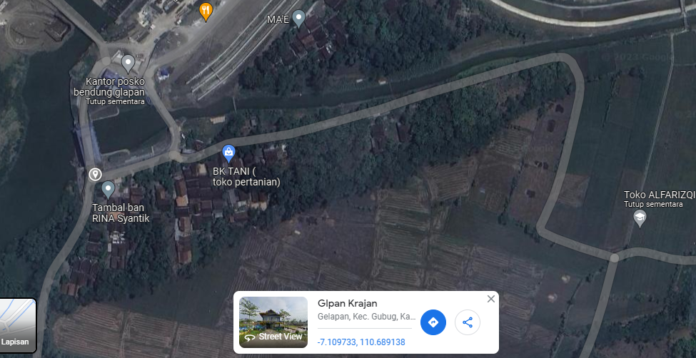
PETA LOKASI PELANGGAN

KOORDINAT LOKASI : '-7.109733, 110.689138

SLD
SINGLE LINE DIAGRAM LOKASI PELANGGAN

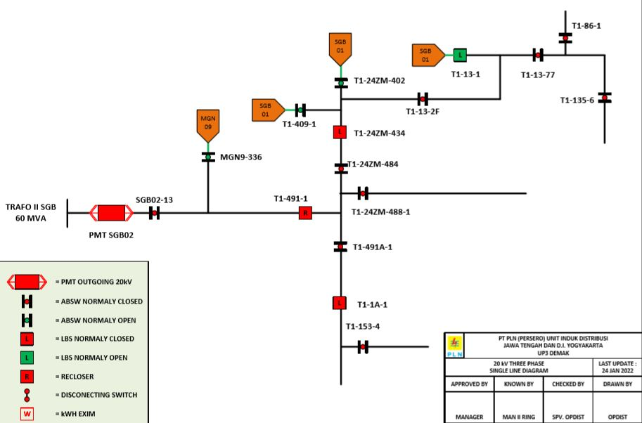

Lokasi Perumahan
PUTRA WAHID

